LEGEND
 | TAB LEGEND
 |  | No Color | This tab is OPTIONAL
 |  | Red | This tab is MANDATORY
 |  | Orange | This tab is OPTIONAL for setup table additions or edits
 |  | Blue | Review and complete this tab during sessions with Bob Esquerra, CPA

Tab Name | Column | Field Name | Description | Data Type | Max. Character | Set Up Table Dependent | Required Field | Note
Customer | A | Master Customer | Looking for the Customer Number of the Master Customer for this line of data | Text | 15 | No | No* | Only required if you are using Master/Sub Customer relationship
 | B | IsMasterCustomer | If this is a Master Customer (a customer that has 10 or more sites) then Enter a 1. Sub-accounts of a Master account and/or accounts where a master/sub account does not apply, still require a 0 value entered | Number | 1 | No | Yes | If you don't have Master Customers, you are still required to put a 0 for all customers
 | C | Customer Number | The Customer Number | Alpha Numeric | 15 | No | Yes
 | D | Customer Status Code | Must be one of the following: ACT-Active TERM-Terminated PRO-Prospect | Text | 50 | No | Yes
 | E | Customer Type | Managely Defaults (Setup> Other> Customer Types): Residential Restaurant School Retail PERS Customer Office | Text | 25 | Yes | Yes
 | F | Employee | Use if you categorize customers by Salesperson; if you don't use this feature, select Unassigned Salesperson (Setup> Company > Employees) | Text | 25 | Yes | Yes
 | G | Term Code | Managely Defaults (Setup > Terms) : Due on Receipt Net 30 Days You can add your own as well | Text | 50 | Yes | Yes
 | H | Term Days | Numerical value to reflect "Days Net Due" (Setup > Accounting > Terms) Examples: Net30 would be 30, Net15 would be 15, Due on Receipt would be 0 | Number | 3 | Yes | Yes
 | I | Invoice Delivery Method | How does this customer receive their invoices? Options: Mail: a physical invoice is mailed to customer (if you select Mail and use Sebis integration, these invoices will be sent to Sebis to print and mail on your behalf) Email: Managely will email a pdf invoice to the customer email address on file Print: Invoice will be sent to your printer | Text | 50 | No | Yes
 | J | Customer Since | Looking for the date your customer signed with you (Short Date Format) | Date (mm/dd/yyyy) | 10 | No | No
 | K | Is Business | Is this customer a business? Enter 0 if they are not a business (like a residential customer) Enter 1 if they are a business (not residential) | Number | 1 | No | Yes
 | L | First Name | Customer First Name | Text | 50 | No | No
 | M | Last Name | Customer Last Name If customer is a business, put business name in under Last Name | Text | 50 | No | Yes
 | N | Phone1 | Customer main phone number | Number | 20 | No | No
 | O | Phone1 Ext | Phone extension (if applicable) | Number | 10 | No | No
 | P | Cell Phone | Customer cell phone number | Number | 50 | No | No
 | Q | Email | Customer email (this is where invoices set to email will be delivered) | Alpha Numeric | 100 | No | No
 | R | TimeZone | The TimeZone where the customer is locate | Alpha Numeric | 100 | No | Yes
 | S | Comments | Use this field for any customer related notes | Alpha Numeric | 250 | No | No
 | T | NoLateFees | Use this field for customers that which late fees are not applied | Number | 1 | No | No | 0 for No, 1 for Yes
 | U | NoStatements | Use this field for customers that do no receive statements | Number | 1 | No | No | 0 for No, 1 for Yes
 | V | InvoiceToMaster | If you want all invoices to go to a master and not just recurring billing | Number | 1 | No | No | 0 for No, 1 for Yes
 | W | SupressRecurringDelivery | Use this field for customers that which recurring is not delivered | Number | 1 | No | No | 0 for No, 1 for Yes
 | X | Inactive | Is this customer inactive or active? Put a 1 if they are inactive Put a 0 if they are active | Number | 1 | No | Yes | If you are only importing active customers into Managely, all customers will have a 0 in this column
 | Y | Inactive Date | If column Z has a 1 in it, you can add the date (dd/mm/yyyy) that the customer went inactive in column AA | Date (mm/dd/yyyy) | 10 | No | No | You can have customers marked as inactive and not include a date; this is an optional field
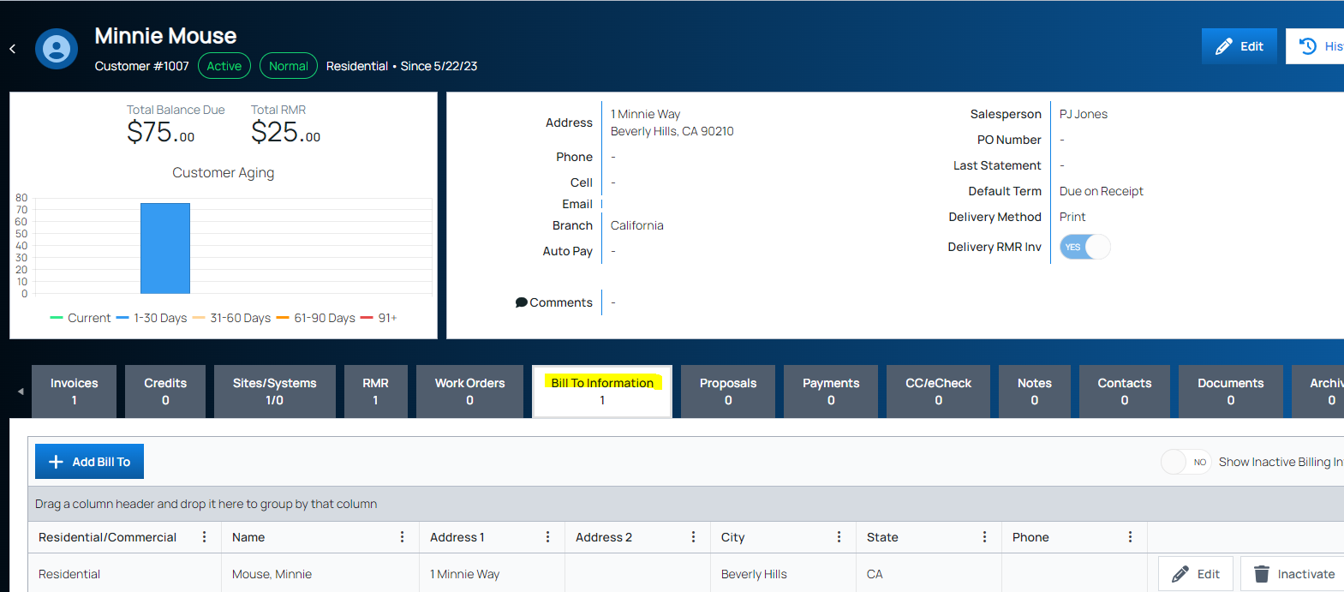
Tab Name | Column | Field Name | Description | Data Type | Max. Character | Set Up Table Dependent | Required Field | Note
Customer Bill To | A | Customer Number | Same as the customer number designated for this customer on the "Customer" tab | Alpha Numeric | 15 | No | Yes | This entire tab "CustomerBillTo" is optional- if you do not have customers that utilize a separate "bill to" address than you can skip filling in this tab
 | B | IsBusiness | If the customer is a business, you will indicate that by putting a 1. If they are not a business (they are residential or other) you would put a 0 | Number | 1 | No | Yes
 | C | First Name | First name of the customer | Text | 50 | No | No
 | D | LastName | Last name of the customer (If a business, this is where you will put the business/company name) | Text | 50 | No | Yes
 | E | Address1 | First line of the customer address | Alpha Numeric | 50 | No | Yes
 | F | Address2 | Second line of the customer address | Alpha Numeric | 50 | No | Yes
 | G | Phone1 | Customer phone number | Number | 50 | No | No
 | H | Phone1 Ext | Phone extension (if applicable) | Number | 10 | No | No
 | I | CellPhone | Customer cell phone number | Number | 20 | No | No
 | J | Email | Customer email address for Bill To info | Alpha Numeric | 50 | No | No
 | K | City | BillTo Address City | Text | 50 | No | Yes
 | L | State | State abbreviation | Text | 2 | No | Yes
 | M | ZipCode | Zip Code for BillTo address | Alpha Numeric | 10 | No | Yes
 | N | Plus4 | If customer BillTo address has a plus4 | Alpha Numeric | 10 | No | No
 | S | Inactive | If this customer with the billto address is Inactive, you will put a 1. If the customer is active, you will put a 0 | Number | 1 | No | No
 | T | InactiveDate | The date the customerBillTo address went inactive | Date | 10 | No | No
Tab Name | Column | Field Name | Description | Data Type | Max. Character | Set Up Table Dependent | Required Field | Note
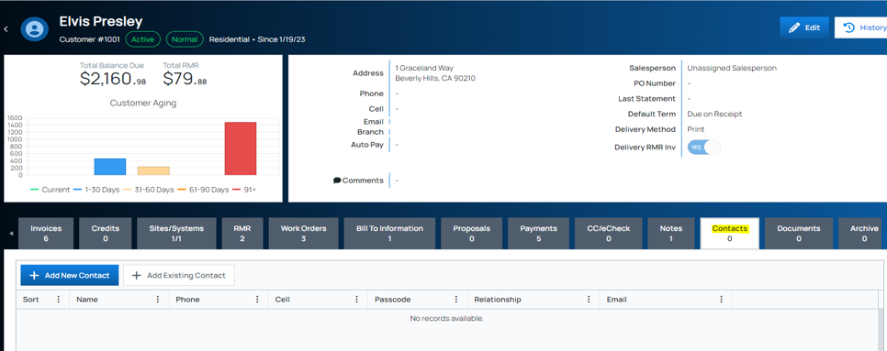
CustomerContact | A | ContactNumber | Identifier used for CustomerContact(2) tab, 1,2,3..sequence is recommended | Numeric | 9 | No | Yes | This entire tab "CustomerContact" is optional- if you do not have customers that need a secondary contact name/details, you can skip this tab and move on to "CustomerSite" tab
 | B | FirstName | Additional customer contact first name | Text | 50 | No | No
 | C | LastName | Additional customer contact last name | Text | 50 | No | Yes
 | D | Address1 | Additional customer address | Text | 50 | No | No
 | E | Address2 | Additional customer address | Text | 50 | No | No
 | F | City | Additional customer city | Text | 50 | No | No
 | G | State | Additional customer state | Text | 2 | No | No
 | H | ZipCode | Additional customer zipcode | Text | 10 | No | No
 | I | ZipCode Plus 4 | Additional customer zipcode plus r | Text | 4 | No | No
 | J | Phone | Additional customer contact phone number | Number | 20 | No | No
 | K | PhoneExtension | Additional customer contact phone extension | Number | 10 | No | No
 | L | CellPhone | Additional customer contact cell phone number | Number | 20 | No | No* | If using this tab, it is assumed you have additional contact methods for this customer, so either an address, email address or phone number
 | M | Email | Additional customer contact email | Text | 100 | No | No* | If using this tab, it is assumed you have additional contact methods for this customer, so either an address, email address or phone number
 | N | Relationship | This contacts relationship to the customer | Text | 50 | No | No | Example: IT Support, Service tech; Owner
 | O | Notes | Use this section for additional notes about the customer contact you are adding | Text | 2000 | No | No
Tab Name | Column | Field Name | Description | Data Type | Max. Character | Set Up Table Dependent | Required Field | Note
CustomerContact(2) | A | ContactNumber | Same contact number assigned on "CustomerContact" tab | Number | 9 | No | Yes | This entire tab "CustomerContact" is optional- if you do not have customers that need a secondary contact name/details, you can skip this tab and move on to "CustomerSite" tab
 | B | CustomerNumber | Same customer number assigned on "Customer" tab | Alpha Numeric | 15 | No | Yes | This entire tab "CustomerContact" is optional- if you do not have customers that need a secondary contact name/details, you can skip this tab and move on to "CustomerSite" tab
 | C | SortOrder | Use this section to priortize the calling order of the contacts | Number | 9 | No | No
 | D | SiteContact | Use this to identify whether the contact is also a site contact | Y/N | 1 | No | No | If "Y", SiteNumber is required
 | E | SiteNumber | Each customer site must have a number | Number | 15 | No | No | This is only required if "SiteContact" is "Y"
 | F | Passcode | Contacts passcode | Alpha Numeric | 50 | No | No
 | G | DeliverManualInvoice | Does contact receive manual invoices? | Number | 1 | No | No | 1 for Yes, 0 for No
 | H | DeliverRecurringInvoice | Deos contact receive recurring invoices? | Number | 1 | No | No | 1 for Yes, 0 for No
 | I | DeliverWorkOrderInvoice | Does contact receive work order invoices? | Number | 1 | No | No | 1 for Yes, 0 for No
Tab Name | Column | Field Name | Description | Data Type | Max. Character | Set Up Table Dependent | Required Field | Note
CustomerSite | A | CustomerNumber | Same customer number from "Customer" tab | Text | 15 | No | Yes
 | B | SiteNumber | Each customer site must have a number | Number | 15 | No | Yes
 | C | SiteName | You need a name for your site- this can be the 1st line of the site address or the customer name or something of your choosing | Alpha Numeric | 50 | No | Yes
 | D | Address1 | 1st line of site address | Alpha Numeric | 50 | No | No
 | E | Address2 | 2nd line of site address | Alpha Numeric | 50 | No | No
 | F | City | City of site address | Text | 50 | No | No
 | G | State | State the site is in | Text | 2 | No | No
 | H | ZipCode | ZipCode the site is in | Alpha Numeric | 10 | No | No
 | I | Plus4 | If customer address has a Plus4, put it here | Alpha Numeric | 10 | No | No
 | J | Phone1 | Phone number for the customer site | Number | 20 | No | No
 | K | Phone1Ext | Phone number extension for the site | Number | 10 | No | No
 | L | Email | Email address for a contact at the site | Alpha Numeric | 100 | No | No
 | M | TimeZone | The TimeZone where the customer site is located | Alpha Numeric | 100 | No | Yes
 | N | SalesTaxCode | Tax Code associated with the SalesTax setup in your setup tables that applies to this site | Alpha Numeric | 50 | Yes | Yes | To set up SalesTaxCodes in Managely: Setup > Accounting > Sales Tax
 | O | ServiceLevel | The service level contract to the site | Alpha Numeric | 25 | Yes | Yes
 | P | SiteSince | Looking for the date site was added (Short Date Format) | Date mm/dd/yyyy | 10 | No | Yes
 | Q | Warranty Start Date | The date the warranty began | Date mm/dd/yyyy | 10 | No | Yes
 | R | Warranty Labor | The type of warranty on labor | Text | 50 | Yes | No
 | S | Warranty Part | The type of warranty on parts | Text | 50 | Yes | No
 | T | TaxExemptNumber | If this customer's site is taxexempt, you need to enter the tax exemption number for the customer here | Alpha Numeric | 20 | Yes | No | To set up Tax Exempt Code in Managely: Setup > Accounting > Sales Tax
 | U | Comments | Any comments related to this customer's site | Text | 250 | No | No
 | V | Inactive | If this site is Inactive, you will put a 1. If the site is active, you will put a 0 | Number | 1 | No | No
 | W | InactiveDate | If the site is inactive, and you have a 1 in columnP, you can add the date the site went inactive | Date mm/dd/yyyy | 10 | No | No
Tab Name | Column | Field Name | Description | Data Type | Max. Character | Set Up Table Dependent | Required Field | Note
CustomerSystem | A | CustomerNumber | Same customer number from "Customer" tab | Text | 15 | No | Yes | This tab is optional - you do not have to enter system information for your customers
 | B | CustomerSiteNumber | Copy the value from CustomerSite tab for site number (column B) | Alpha Numeric | 15 | No | Yes
 | C | CentralStation | Name of the Central Station this system is under | Text | 50 | Yes | No | Setup > Other > Central Stations
 | D | AccountNumber | Customers account number with the central station | Alpha Numeric | 25 | No | No
 | E | SystemNumber | Unique number for the system | Number | 15 | No | Yes
 | F | SystemType | You will set up your SystemTypes in Managely and then select one of those types to populate this field, based on the system Examples: PERS, Access Control, CCTV, Fire Alarm, Burglar Alarm | Text | 25 | Yes | Yes | Setup > Other > System Types
 | G | PanelType | Enter the PartsCode for the Panel Type **You must have the Parts tab filled out in order to complete this or have entered your parts into Managely** | Alpha Numeric | 50 | No | Yes | Examples: Vista100, CPI 3600
 | H | PanelLocation | At this specific site, where is the panel located | Text | 250 | No | No
 | I | WarrantyLabor | What is the warranty type on labor for this system | Text | 50 | Yes | No | Setup > Operations > Warranty Types
 | J | WarrantyPart | What is the warranty type on parts for this system | Text | 50 | Yes | No | Setup > Operations > Warranty Types
 | K | WarrantyStartDate | What is the start date for warranty on this system | Date mm/dd/yyyy | 10 | No | No
 | L | ServiceLevel | Enter in the Service Level Code for this particular system | Text | 50 | Yes | No | Setup > Operations > Service Levels
 | M | Comments | Any comments or notes about the customer's system | Text | 250 | No | No
 | N | Inactive | If this system is inactive, put a 1. If the system is active, put a 0 | Text | 1 | No | Yes
 | O | InactiveDate | If you put a 1 in the previous column, put the date the system went inactive here | Date mm/dd/yyyy | 10 | No | No
Tab Name | Column | Field Name | Description | Data Type | Max. Character | Set Up Table Dependent | Required Field | Note
CustomerSystemParts | A | PartCode | Enter the PartCode that is installed with the Customer System | Text | 25 | No | Yes | This tab is optional - you do not have to enter system parts information for your customers
 | B | CustomerNumber | Same customer number from "Customer" tab | Alpha Numeric | 15 | No | Yes
 | C | SiteNumber | Copy the value from CustomerSite tab for site number (column B) | Alpha Numeric | 20 | No | Yes
 | D | SystemNumber | Copy the value from CustomerSystem tab for system number (column E) | Alpha Numeric | 25 | No | Yes
 | E | Location | Unique number for the system | Alpha Numeric | 250 | No | No
 | F | ZoneNumber | The zone where the part is located | Alpha Numeric | 25 | No | No
 | G | ZoneSignalType | The signal type for the zone where the part is located | Date mm/dd/yyyy | 10 | No | No
 | H | SerialNumber | The serial number for the part | Alpha Numeric | 25 | No | No
 | I | InstallDate | When was the part installed? | Text | 50 | Yes | No
 | J | RemovalDate | When was the part removed | Date mm/dd/yyyy | 10 | No | No
 | K | Inactive | If this system is inactive, put a 1. If the system is active, put a 0 | Text | 1 | No | Yes
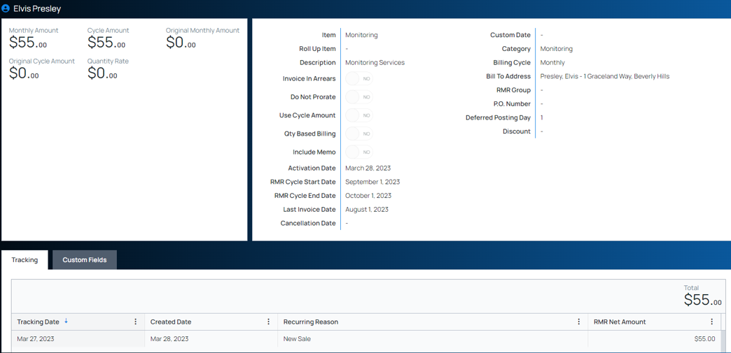
 | L | InactiveDate | If you put a 1 in the previous column, put the date the system went inactive here | Date mm/dd/yyyy | 10 | No | No
Tab Name | Column | Field Name | Description | Data Type | Max. Character | Set Up Table Dependent | Required Field | Note
CustomerRecurring | A | CustomerNumber | Same customer number from "Customer" tab | Text | 15 | No | Yes
 | B | SiteNumber | Copy the value from CustomerSite tab for site number (column B) | Number | 15 | No | Yes
 | C | SystemNumber | Copy the value from CustomerSystem tab for System Number (column E) | Number | 15 | No | No | You do not need a System for RMR; you can also attach RMR directly to a site
 | D | Item Code | When entering a new RMR in Managely, Item Code is selected from a drop-down menu; this must be completed in your set up table for Items prior to entering customer RMR | Text | 25 | Yes | Yes
 | E | Recurring Reason | When entering a new RMR in Managely, Recurring Reason is selected from a drop-down menu; this must be completed in your set up table (Setup > Other > Recurring Reason) prior to entering customer RMR | Text | 25 | Yes | Yes
 | F | Description | Description of what the customer is being billed recurring monthly charges for | Text | 500 | No | No
 | G | IsQuantityBilling | Do you use Quantity Billing | Number | 1 | No | No | 0 = No, 1 = Yes
 | H | QuantityRate | If IsQuantityBilling yes, enter the Quantity Rate | Money |  | No | No
 | I | QuantityCount | If IsQuantityBilling yes, enter the Quantity Count | Number |  | No | No
 | J | Memo | Notes regarding the RMR | Text |  | No | No | Post go-live, on an individual basis, you can change whether or not this memo is customer-facing
 | K | PO Number | Purchase Order number | AlphaNumeric | 25 | No | No
 | L | Billing Cycle Code | These are system defaults: Annual, SemiAnnual, Quarterly and Monthly | System Default | N/A | N/A | Yes | You cannot make changes to these; you must select from one of the system defaults
 | M | Monthly Amount | The dollar amount the customer is being charged in RMR (ie: the monthly amount for an annual customer is the total annual RMR divided by 12) | Alpha |  | No | Yes
 | N | Cycle Amount | The dollar amount per cycle (annual, semiannual, quarterly and monthly) based on the monthly amount (ie: annual customers would be monthly amount x 12 for their cycle amount) | Alpha |  | No | Yes
 | O | Activation Date | Date that RMR began/was activated; NOT a required field; you can put a generic date that will stand out- such as | Date |  | No | No
 | P | Cancellation Date | Date that the RMR will stop- must be a date in the future (from date of conversion). This is NOT a required field; can be used for fixed-term RMRs | Date |  | No | No
 | Q | Cycle Start Date | The date the next cycle begins | Date |  | No | Yes | Must follow your Billing Cycle and begin on the 1st of the month.
 | R | Invoice to Master | This field requires a number value- either a '0' or a '1'. Enter '0' if you are NOT invoicing the recurring charge to a Master Customer. Enter a 1 if you ARE invoicing the recurring charge to a Master Customer | Number | 1 | Yes | Yes | Set up table information: you must have Master and Sub customer relationships set up in order to invoice to a Master
 | S | DoNotProrate | Use this field for customers that are not prorated. | Number | 1 | No | No | 0 for No, 1 for Yes
 | T | Inactive | Is this customer inactive or active? Put a 1 if they are inactive Put a 0 if they are active | Number | 1 | No | Yes | 0 for No, 1 for Yes
 | U | Inactive Date | If you are bringing in inactive RMR, you have the option of including the date that the RMR went inactive | Date |  | No | No
Tab Name | Column | Field Name | Description | Data Type | Max. Character | Set Up Table Dependent | Required Field | Note
Notes | A | Entity | The level where the note should applied | Text | 50 |  | Yes | Must be Customer, Site, System, Vendor
 | B | Customer Number | Same customer number from "Customer" tab | AlphaNumeric | 15 |  | Yes
 | C | Site Number | If the note is attached to a site, then it would need the site number related to the customer number on the "CustomerSite" tab | AlphaNumeric | 25 | No | No
 | D | System Number | If the note is attached to a system, then it would need the system number related to the customer number & site number on the "CustomerSystem" tab | Text | 160 | No | No
 | E | Vendor Name | The name of the vendor the note is related to, must exist in Managely and/or the "Vendor" tab | AlphaNumeric | 50 | No | No | Only needed if Entity is "Vendor"
 | F | Note | The note text | AlphaNumeric |  |  | No
 | G | Note Type | This determines if this is just a note or should a popup box flash on the screen | Text | 8 |  | Yes | Must be Standard or Critical
 | H | Expiration Date | If the note is critical, this would be when the note stops popping up | Date |  |  | No
 | I | Access Level | Determines who sees the note | Text | 8 |  | Yes | Must be Admin, Internal, Customer
 | J | Inactive | Refers to the status of the note | Number | 1 |  | No | Value must be 0 or 1, 0 for No; 1 for Yes
 | K | Inactive Date | The date the note became inactive | Date |  | No | No
Tab Name | Column | Field Name | Description | Data Type | Max. Character | Set Up Table Dependent | Required Field | Note
Vendors | A | Name | Vendor Name | Alpha Numeric | 50 | No | No
 | B | Account Number | Your account number with the vendor | Alpha Numeric | 20 | No | No
 | C | Vendor Number | The vendor code used by your company | Alpha Numeric | 15 | No | Yes
 | D | Address1 | 1st line of vendor address | Text | 50 | No | No
 | E | Address2 | 2nd line of vendro address | Text | 50 | No | No
 | F | City | City of vendor address | Text | 50 | No | No
 | G | State | State the vendor is in | Number | 2 | No | No
 | H | ZipCode | ZipCode the vendor is in | Number | 10 | No | No
 | I | Plus4 | If vendor address has a Plus4, put it here | Number | 10 | No | No
 | J | Country | Country the Vendor is in | Alpha Numeric | 50 | No | No
 | K | Phone1 | Phone number for the vendor | Alpha Numeric | 20 | No | No
 | L | Phone1Ext | Phone number extension for the vendor | Alpha Numeric | 10 | No | No
 | M | Phone2 | Secondary phone number for the vendor | Alpha Numeric | 20 | No | No
 | N | Phone2Ext | Secondary phone number extension for the vendor | Alpha Numeric | 10 | No | No
 | O | Email | Vendor's email address | Alpha Numeric | 100 | No | No
 | P | PayableTo | Legal name of the vendor to remit payment to | Text | 50 | No | No
 | Q | RemitToAddress1 | 1st line of vendor address where payments are sent | Alpha Numeric | 50 | No | No
 | R | RemitToAddress2 | 2nd line of vendor address where payments are sent | Alpha Numeric | 50 | No | No
 | S | RemitToCity | City of vendor address where payments are sent | Alpha Numeric | 50 | No | No
 | T | RemitToState | state the vendor address where payments are sent | Text | 2 | No | No
 | U | RemitToZipCode | ZipCode where the vendor payment is sent to | Alpha Numeric | 10 | No | No
 | V | RemitToPlus4 | If the payment address to the vendor has a plus4 | Alpha Numeric | 10 | No | No
 | W | RemitToCountry | country the Vendor is in where payments are sent | Alpha Numeric | 50 | No | No
 | X | IsRemitToMainAddress | Is the payment address the same as the vendors main address | Number | 1 | No | Yes | 0 for No, 1 for Yes. If this is marked as 1, then you do not need to fill in the remittance address fields
 | Y | SalesPhone | Vendor Sales phone number | Alpha Numeric | 20 | No | No
 | Z | SalesPhoneExt | Vendor Sales phone number extension | Alpha Numeric | 10 | No | No
 | AA | SalesEmail | Vendor Sales email | Text | 100 | No | No
 | AB | SupportPhone | Vendor Support phone number | Alpha Numeric | 20 | No | No
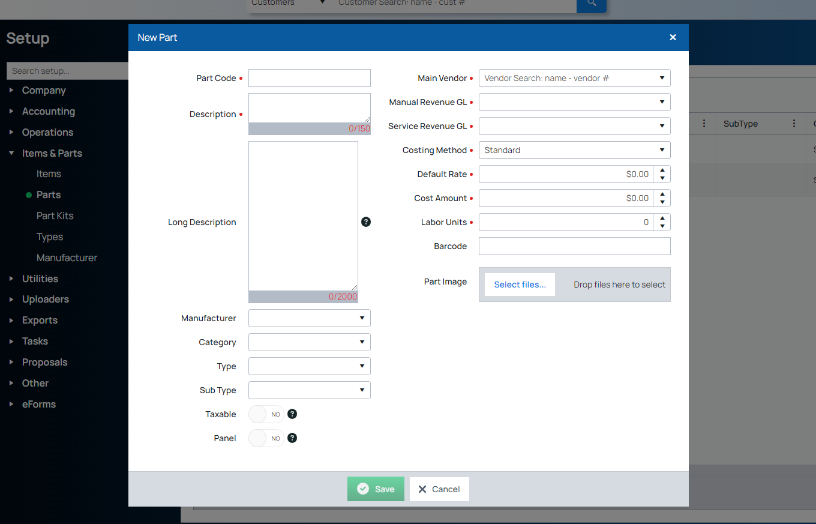
 | AC | SupportPhoneExt | Vendor Support phone number extension | Alpha Numeric | 10 | No | No
 | AD | SupportEmail | Vendor Support email | Text | 100 | No | No
 | AE | FaxNumber | Vendor FaxNumber | Alpha Numeric | 20 | No | No
 | AF | Comments | Comments about vendor | Text | 250 | No | No
 | AG | Website | Vendor Website | Text | 100 | No | No
 | AH | Memo | Memo | Text | 250 | No | No
 | AI | TermCode | Term in which you have to remit payment by | Text | 25 | Yes | Yes
 | AJ | DaysNetDue | How many days to remit payment to the vendor | Number |  | Yes | No
 | AK | DefaultPaymentBank | The default bank name used to pay the Vendor | Alpha Numeric | 250 | Yes | No
 | AL | Is1099Eligible | Does the vendor receive a 1099 | Number | 1 | No | Yes | 0 for No, 1 for Yes
 | AM | IsTaxAgency | Is the vendor a tax agency? | Number | 1 | No | No | 0 for No, 1 for Yes
 | AN | GLAccountNumber | The accounting code assigned to this vendor | Alpha Numeric | 25 | Yes | Yes
 | AO | BranchCode | Branch your accounts payable goes to | Text | 25 | Yes | Yes
 | AP | Inactive | Is the vendor inactive? | Number | 1 | No | Yes | 0 for No, 1 for Yes
 | AQ | InactiveDate | Date vendor became inactive | Date |  | No | No
Tab Name | Column | Field Name | Description | Data Type | Max. Character | Set Up Table Dependent | Required Field | Note
Parts |  | IMAGE | Images of parts can be uploaded AFTER go live conversion on a part-by-part basis; we are unable to import images as part of the data conversion, images for existing parts will not be deleted during a conversion. | .jpg
 | A | Part Code | Choose a part code for this part; you may want to use the same part code from the vendor | Text | 25 | No | Yes
 | B | Description | Enter additional details about the part | Text | 150 | No
 | C | Long Description | Another 2000 characters available for parts description | Text | 2000 | No | No
 | D | Manufacturer | These must be entered in to your set up tables; when entering a part in Managely, manufacturer will be selected from a drop down menu; please ensure your data in this column is an exact match to the manufacturers you enter during set up | Text | 50 | Yes | No
 | E | Type | If using types for parts, these need to be set up in Setup > Items & Parts > Types prior to entering data into this column | Text | 50 | Yes | No
 | F | Sub Type | Once a type record is entered, you can enter one or more sub types for a particular type record | Text | 50 | Yes | No
 | G | Vendor | Enter vendor name related to the part (when entering a new part in Managely, Main Vendor will be a drop-down menu showing you the vendors you've listed in your AP set up; the vendor must be in AP vendors in order to import the part during this conversion) | Text | 25 | Yes | Yes
 | H | Manual Revenue GL Account | Which manual revenue GL account should be used when selling this part on a manual invoice? |  | 15 | Yes | Yes
 | I | Service Revenue GL Account | Which service revenue GL account should be used when selling this part on a service work order? |  | 15 | Yes | Yes
 | J | Default Rate | Enter the default price you will charge a customer for this part (Standard Cost) | Number | 15 | No | Yes
 | K | Cost Amount | Enter the amount you pay for this part | Number | 15 | No | Yes
 | L | Labor Units | If you know the amount of time required to install this part, enter that value here in HOURS (ie: 0.25, 0.5, 0.75, 1.0) | Decimal | 5 | No | Yes
 | M | Is Panel | Is this part a panel? Enter 1 for yes and 0 for no | Number | 1 | No | Yes
 | N | Is Taxable | Is this part taxable? Enter 1 for yes and 0 for no | Number | 1 | No | Yes
 | P | Inactive | Is this part Inactive? Enter 1 for yes and 0 for no (if the part is active, you will enter 0) | Number | 1 | No | Yes
 | Q | Inactive Date | If you'd like to include the date the part became inactive, do so in this column | Date |  | No | No
Tab Name | Column | Field Name | Description | Data Type | Max. Character | Set Up Table Dependent | Required Field | Note
CustomFields | A | Entity | What module is the custom field for? | Text | 50 | No | Yes | Must be Customer, Site, System, Recurring, Work Order or Proposal
 | B | Customer Number | The customer number the value is for | NumericAlpha | 15 | No | Yes
 | C | Site Number | If the Entity is Site, System or Recurring then enter the site number related to the customer number | Number | 15 | No | Yes | Only needed if Entity is Site or System
 | C | SystemNumber | If the Entity is System or Recurring then enter the system number related to the customer site | Number | 15 | No | Yes | Only needed if Entity is System or Recurring
 | D | Recurring Item Code | If the Entity is Recurring then enter the Item Code for the billing line for the system numberr | Text | 25 | Yes | No | Only need if the Entity is Recurring
 | E | Recurring Monthly Amount | The monthly billed amount for the Recurring Item Code | Number | 20 | No | No | Only need if the Entity is Recurring
 | D | Value | The data to be stored in the Custom Field | Text | 250 | Yes | No | Only needed if entering values for the Custom Field Name
 | E | Custom Field Name | The name of the custom field | AlphaNumeric | 100 | Yes | Yes
 | F | DataType | REQUIRED IF CUSTOMFIELDNAME DOES NOT EXIST IN THE SETUP TABLES Must be NumberInteger, NumberDecimal, NumberCurrency, NumberPercentage, Text, Email, URL, Phone, DateTime, Date or TrueFalse | AlphaNumeric | 50 | No | No | Required if the Custom Field Name does not exist in the setup tables
Tab Name | Column | Field Name | Description | Data Type | Max. Character | Set Up Table Dependent | Required Field | Note
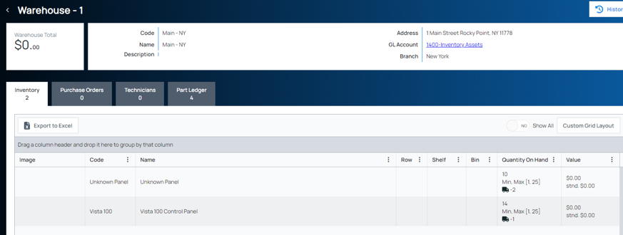
Invoice Items | A | Item Code | Item code | Text | 25 | No | Yes
 | B | Name | The full name of the item | Text | 500 | No | No
 | C | Type | The type of code | Text | 50 | Yes | No
 | D | SubType | A SubType of the Type code | Text | 50 | Yes | No
 | E | Taxable | Is the item taxable | Number | 1 | No | Yes | 0 for No, 1 for Yes
 | F | Default Rate | The default sales rate | Number | 15 | No | Yes
 | G | GL Number | The Accounts Payable Account Code | AlphaNumeric | 25 | Yes | Yes
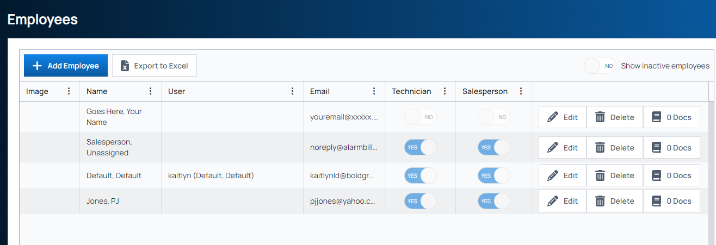
 | I | Recurring Item | Is the item used for recurring billing? | Number | 1 | No | Yes | 0 for No, 1 for Yes
 | J | Vendor Item | Is the item a vendor item? | Number | 1 | No | Yes | 0 for No, 1 for Yes
 | K | Cost Amount | What the item cost you | Number | 15 | No | No
 | L | Labor Units | How many labor units are billed to this item | Number | 20 | No | Yes
 | M | Inactive | Is this item Inactive? Enter 1 for yes and 0 for no (if the part is active, you will enter 0) | Number | 1 | No | Yes
 | N | Inactive Date | If you'd like to include the date the part became inactive, do so in this column | Date |  | No | No
Tab Name | Column | Field Name | Description | Data Type | Max. Character | Set Up Table Dependent | Required Field | Note
Warehouses | A | Code | Choose a warehouse code | Text | 25 | Yes | Yes | To set up Warehouses: Ensure the Inventory module is enabled in Managely; then go to Inventory > Warehouses > Add New
 | B | Name | Enter a name for the warehouse. On data entry form where there is a field for Warehouse, the drop-down list will display the warehouse name. | Text | 100 | Yes | Yes
 | C | Description | Internal only; if the warehouse is a vehicle, you may want to enter the type of vehicle and VIN number | Text | 1 | No | No
 | D | GL Account Number | select the GL Account which is the inventory asset account for the warehouse | Number | 50 | Yes
 | E | Address | Enter the physical location of where this vehicle resides outside of business hours; if the warehouse is for a technician and they take the vehicle home at the end of the day, enter the technician's home address | AlphaNumeric | 100 | No
 | F | Inactive | Is this an inactive warehouse? If yes, enter 1, if no (the warehouse is active) then enter 0 | Number | 1 | No
 | G | Inactive Date | Date the warehouse became inactive | Date |  | No
Tab Name | Column | Field Name | Description | Data Type | Max. Character | Set Up Table Dependent | Required Field | Note
Employee | A | First Name | Employee First Name | Text | 50 |  | Yes
 | B | Last Name | Employee Last Name | Text | 50 |  | Yes
 | C | Middle Initial | Employee middle initial | Text | 1 |  | No
 | D | Phone | Phone number | Number | 20 |  | No
 | E | Phone Extension |  | Number | 10 |  | No
 | F | Cell Phone |  | Number | 0 |  | No
 | G | Email |  | AlphaNumeric | 100 |  | No
 | H | Description | You can use this field for additional notes | Text | 160 | No | No
 | I | Job Title | Employee's job title at your organization | Text | 50 |  | Yes
 | J | Is Technician | Enter 1 if the employee IS a technician, enter 0 if they are not | Number | 1 | Yes | No | Technician and Salesperson have access to different reports and areas of Managely; this is why this information is required
 | K | Inactive | Refers to employee's current status | Number | 1 | No | Yes | Inactive employees cannot log into Managely
 | L | Inactive Date | Use this field to note the date an employee became inactive | Date |  |  | No
 | M | User Code | If the employee is a Managely user, add their user name here | AlphaNumeric | 25 | Yes | No | This will be a drop down menu option in Managely when adding a new employee
 | N | Is Sales Person | Enter a 1 if the employee IS a salesperson, enter a 0 if they are not | Number | 1 | No | No | Technician and Salesperson have access to different reports and areas of Managely; this is why this information is required
 | O | Employee Number | Add the employee number | AlphaNumeric | 25 | No | No
 | P | Employee Since | Date the employee started with your company | Date |  | No | No
 | Q | Address 1 | Employee home address | AlphaNumeric | 50 | No | No
 | R | Address 2 | Employee home address | AlphaNumeric | 50 | No | No
 | S | City | Employee home address | AlphaNumeric | 50 | No | No
 | T | State | Employee home address | AlphaNumeric | 2 | No | No
 | U | Zip Code | Employee home address | AlphaNumeric | 10 | No | No
 | V | Plus4 | If the zip code has a plus4 | AlphaNumeric | 10 | No | No
Tab Name | Column | Field Name | Description | Data Type | Max. Character | Set Up Table Dependent | Required Field | Note
GL Account
 |  |  | Please work with Bob Esquerra (Bold Team CPA) to set up/complete the GL and COA portion of the data mapping

Parts
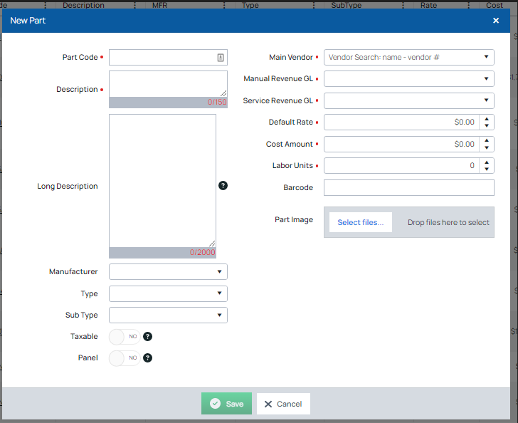
PartCode | Description | LongDescription | Manufacturer | Type | Sub Type | Vendor | Manual Revenue GLAccount | Service Revenue GLAccount | Default Rate | CostAmount | Labor Units | IsPanel | IsTaxable | Inactive | InactiveDate
Vista 100 | Vista 100 Control Panel |  |  |  |  | ADI | 45000 | 45000 | 0.00 | 0.00 | 0.00 | 1 | 1 | 0

